Disclaimer
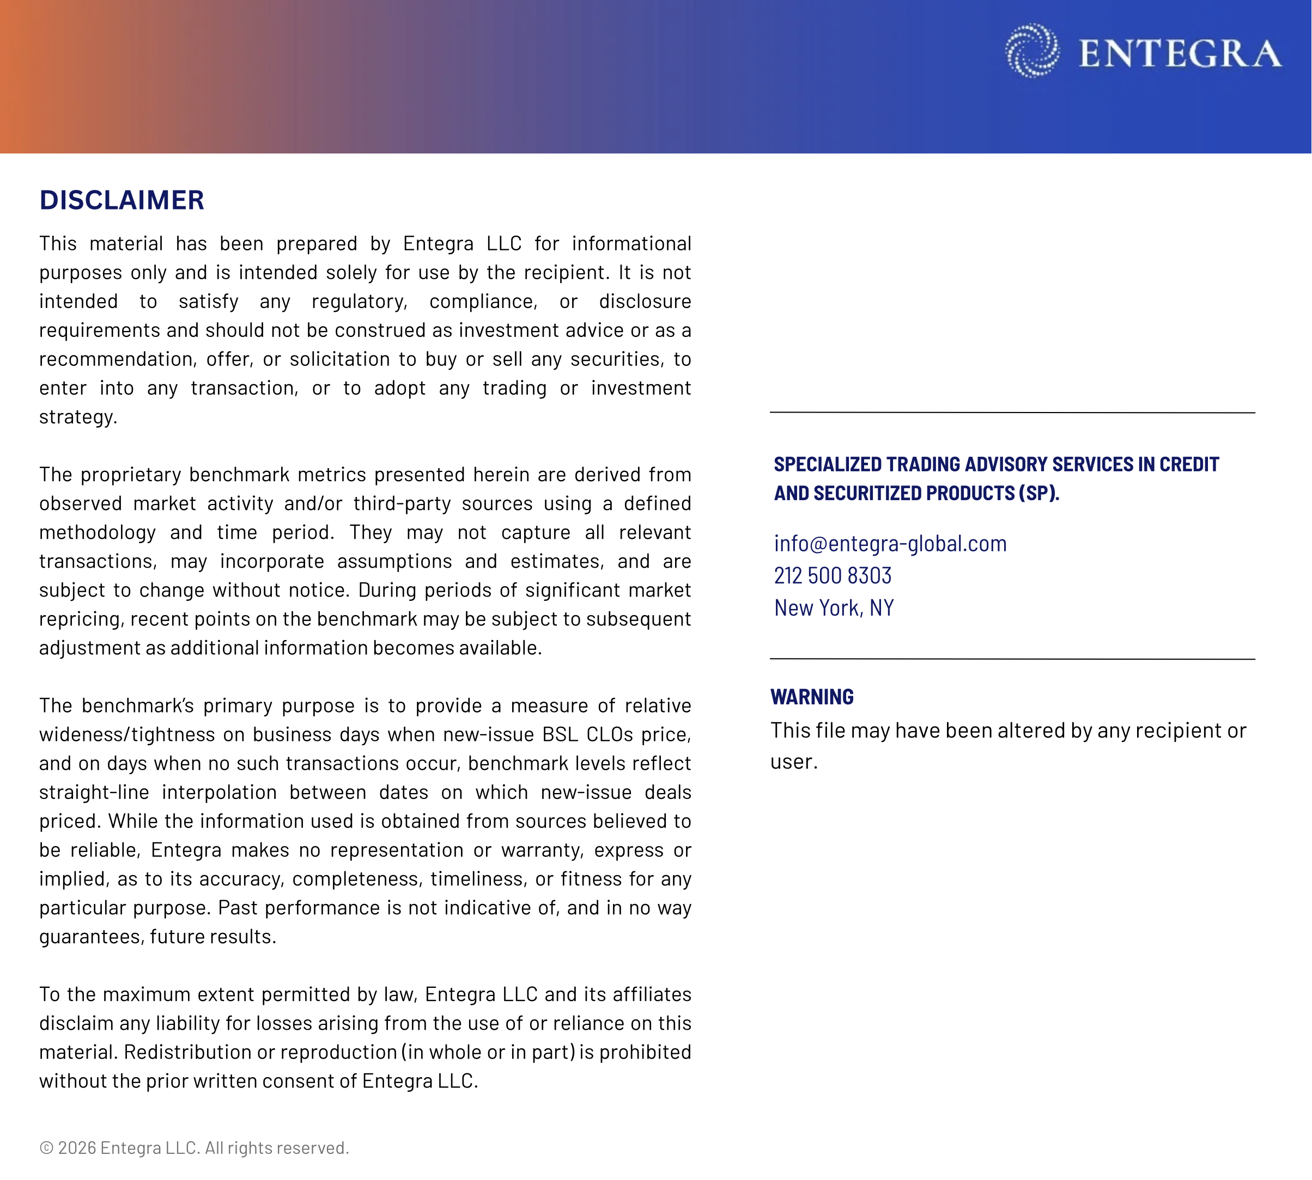

Summary
CLO BSL AAA Spreads - Entegra Proprietary Benchmark with Volatility Band
 | Benchmark AAA Spread | 1-Sigma Upper Bound | 1-Sigma Lower Bound
1/16/2020 | 130.1 | 133.0 | 127.3
1/17/2020 | 129.8 | 132.5 | 127.0
1/20/2020 | 129.4 | 132.1 | 126.7
1/21/2020 | 129.0 | 131.6 | 126.4
1/22/2020 | 128.6 | 131.2 | 126.1
1/23/2020 | 128.2 | 130.7 | 125.8
1/24/2020 | 127.1 | 133.6 | 120.6
1/27/2020 | 126.0 | 136.6 | 115.4
1/28/2020 | 124.9 | 139.5 | 110.2
1/29/2020 | 124.5 | 138.2 | 110.9
1/30/2020 | 124.5 | 137.8 | 111.1
1/31/2020 | 124.4 | 137.4 | 111.4
2/3/2020 | 124.5 | 137.3 | 111.7
2/4/2020 | 124.6 | 137.2 | 112.0
2/5/2020 | 125.1 | 138.6 | 111.6
2/6/2020 | 126.2 | 139.3 | 113.1
2/7/2020 | 127.3 | 140.0 | 114.7
2/10/2020 | 128.5 | 140.7 | 116.2
2/11/2020 | 129.3 | 140.3 | 118.2
2/12/2020 | 129.7 | 140.2 | 119.1
2/13/2020 | 130.0 | 140.1 | 120.0
2/14/2020 | 130.9 | 139.9 | 121.8
2/17/2020 | 131.3 | 140.9 | 121.6
2/18/2020 | 131.6 | 141.8 | 121.5
2/19/2020 | 132.7 | 141.4 | 124.0
2/20/2020 | 133.9 | 147.5 | 120.2
2/21/2020 | 135.3 | 148.5 | 122.1
2/24/2020 | 136.9 | 150.1 | 123.6
2/25/2020 | 138.4 | 151.6 | 125.2
2/26/2020 | 141.1 | 155.1 | 127.1
2/27/2020 | 142.4 | 157.2 | 127.6
2/28/2020 | 143.7 | 159.3 | 128.1
3/2/2020 | 145.0 | 161.4 | 128.6
3/3/2020 | 146.3 | 163.5 | 129.1
3/4/2020 | 148.9 | 166.5 | 131.3
3/5/2020 | 151.5 | 169.4 | 133.5
3/6/2020 | 154.1 | 172.4 | 135.8
3/9/2020 | 156.7 | 175.4 | 138.0
3/10/2020 | 163.6 | 183.1 | 144.0
3/11/2020 | 167.7 | 189.6 | 145.8
3/12/2020 | 171.9 | 196.1 | 147.7
3/13/2020 | 173.9 | 198.9 | 148.8
3/16/2020 | 175.8 | 201.7 | 150.0
3/17/2020 | 177.8 | 204.4 | 151.1
3/18/2020 | 179.7 | 207.2 | 152.3
3/19/2020 | 181.7 | 210.0 | 153.4
3/20/2020 | 183.7 | 212.7 | 154.6
3/23/2020 | 185.6 | 215.5 | 155.7
3/24/2020 | 187.6 | 218.3 | 156.9
3/25/2020 | 189.5 | 221.0 | 158.1
...

