Disclaimer
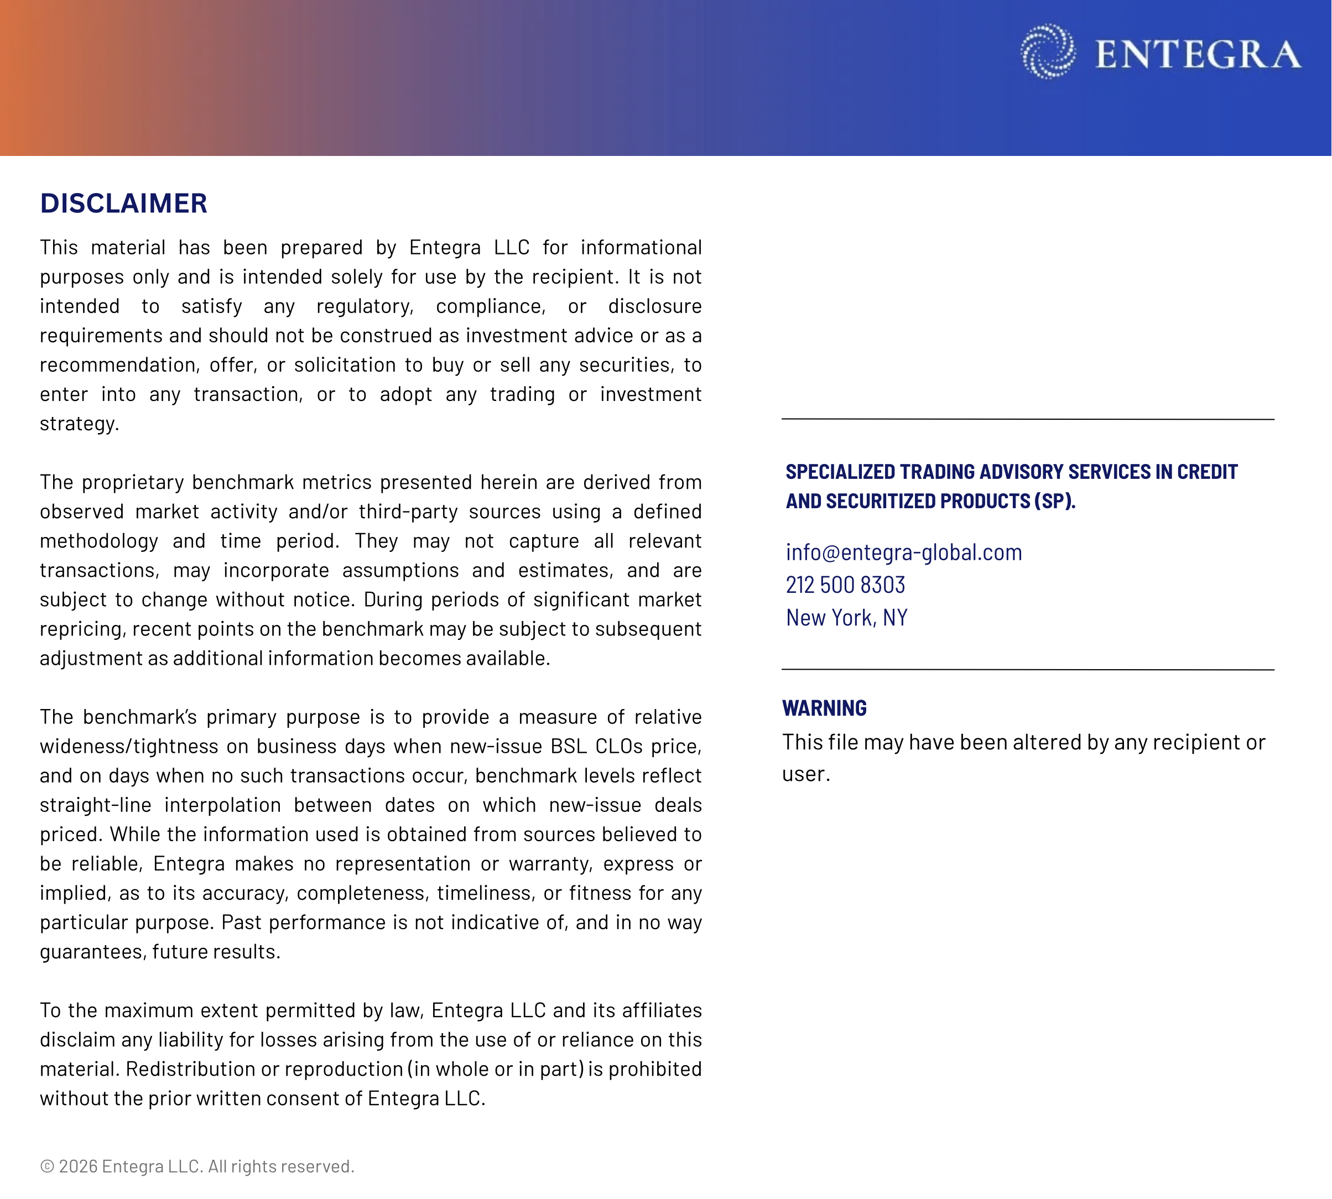

Summary
EUR CLO AAA Spreads - Entegra Proprietary Benchmark with Volatility Band
 | Benchmark AAA Spread | 1-Sigma Upper Bound | 1-Sigma Lower Bound
1/27/2020 | 96.2 | 97.4 | 95.0
1/28/2020 | 96.2 | 97.4 | 95.0
1/29/2020 | 96.2 | 97.4 | 95.0
1/30/2020 | 96.2 | 97.5 | 94.9
1/31/2020 | 96.0 | 98.0 | 93.9
2/3/2020 | 95.7 | 98.4 | 93.0
2/4/2020 | 95.9 | 98.4 | 93.5
2/5/2020 | 96.1 | 98.6 | 93.5
2/6/2020 | 96.2 | 98.8 | 93.6
2/7/2020 | 96.3 | 99.0 | 93.7
2/10/2020 | 96.4 | 99.1 | 93.7
2/11/2020 | 96.5 | 99.3 | 93.7
2/12/2020 | 96.5 | 99.4 | 93.7
2/13/2020 | 96.6 | 99.6 | 93.7
2/14/2020 | 96.7 | 99.7 | 93.7
2/17/2020 | 96.8 | 99.8 | 93.7
2/18/2020 | 96.8 | 100.0 | 93.7
2/19/2020 | 97.2 | 100.7 | 93.8
2/20/2020 | 97.6 | 101.4 | 93.9
2/21/2020 | 98.7 | 103.2 | 94.3
2/24/2020 | 100.6 | 106.7 | 94.6
2/25/2020 | 102.8 | 110.8 | 94.8
2/26/2020 | 104.0 | 112.1 | 95.9
2/27/2020 | 105.2 | 113.4 | 96.9
2/28/2020 | 106.3 | 114.6 | 98.0
3/2/2020 | 107.5 | 115.9 | 99.1
3/3/2020 | 108.7 | 117.2 | 100.2
3/4/2020 | 109.9 | 118.4 | 101.3
3/5/2020 | 111.0 | 119.7 | 102.4
3/6/2020 | 115.3 | 127.0 | 103.6
3/9/2020 | 120.2 | 131.8 | 108.7
3/10/2020 | 125.2 | 136.7 | 113.7
3/11/2020 | 130.2 | 141.6 | 118.8
3/12/2020 | 130.9 | 143.0 | 118.9
3/13/2020 | 131.7 | 144.3 | 119.0
3/16/2020 | 132.4 | 145.7 | 119.1
3/17/2020 | 133.2 | 147.1 | 119.2
3/18/2020 | 133.9 | 148.5 | 119.4
3/19/2020 | 134.7 | 149.8 | 119.5
3/20/2020 | 135.4 | 151.2 | 119.6
3/23/2020 | 136.1 | 152.6 | 119.7
3/24/2020 | 136.9 | 153.9 | 119.8
3/25/2020 | 137.6 | 155.3 | 120.0
3/26/2020 | 138.4 | 156.7 | 120.1
3/27/2020 | 139.1 | 158.1 | 120.2
3/30/2020 | 139.9 | 159.4 | 120.3
3/31/2020 | 140.6 | 160.8 | 120.4
4/1/2020 | 141.4 | 162.2 | 120.6
4/2/2020 | 142.1 | 163.6 | 120.7
4/3/2020 | 142.9 | 164.9 | 120.8
...

